Dashboard
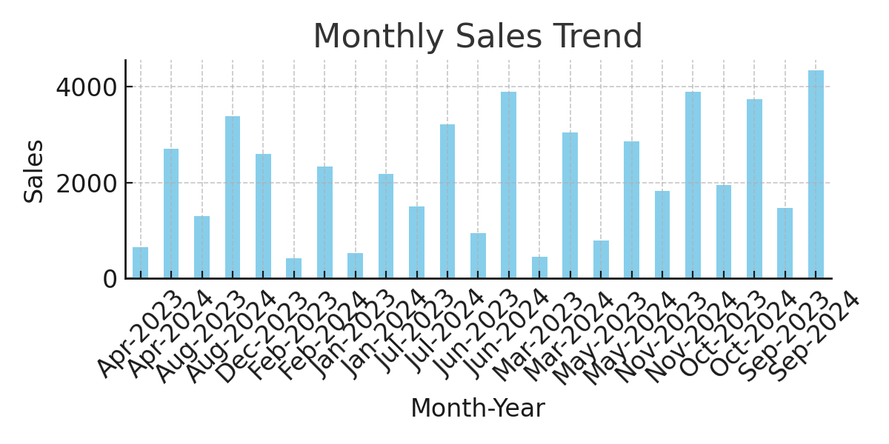
Sales Performance Dashboard

KPI - Total Sales: | $50,000.00
KPI - Avg Profit: | $51.50
KPI - Top Region by Sales: | Central

